Test1
Front End Testing
Test Case ID: | 1
Test Case: | Sign In/Sign out option

Criteria | ScreenShots | Results | Notes
Sign In and Sign Out Options Work As Intended | 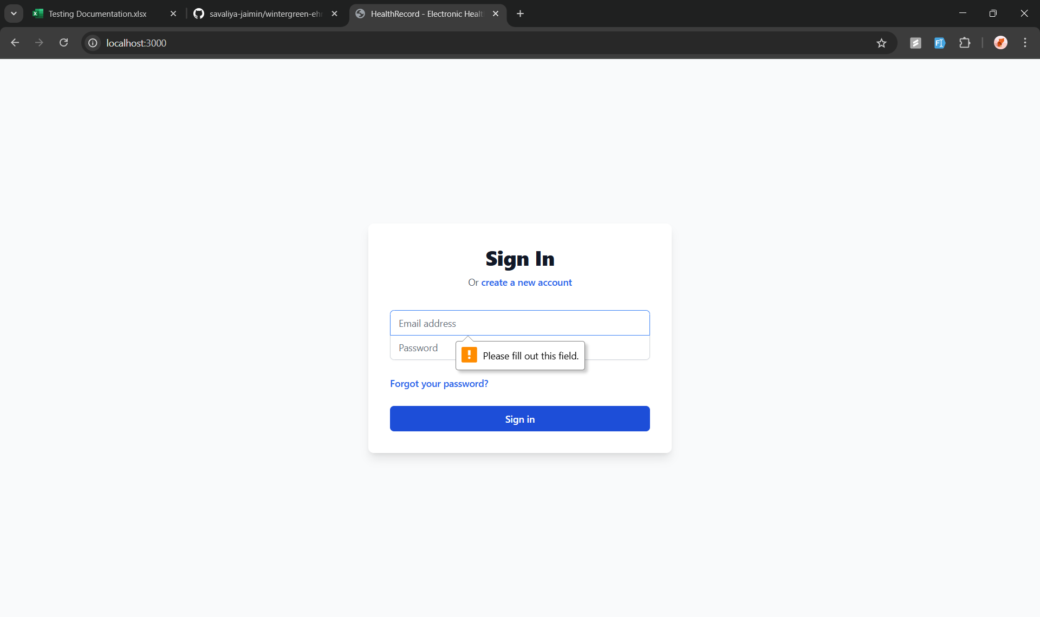 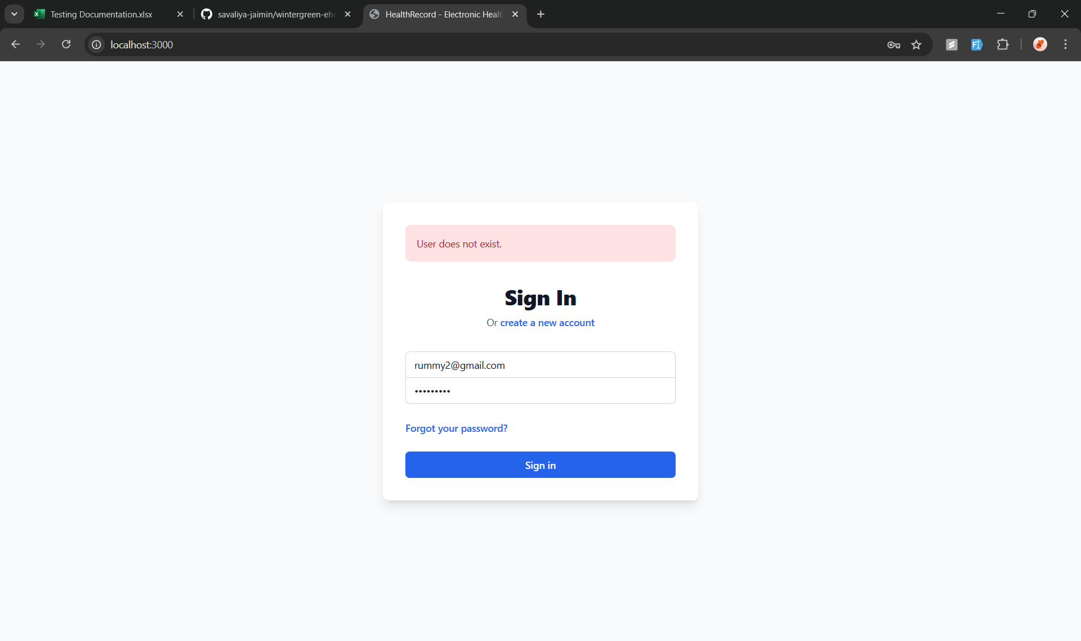 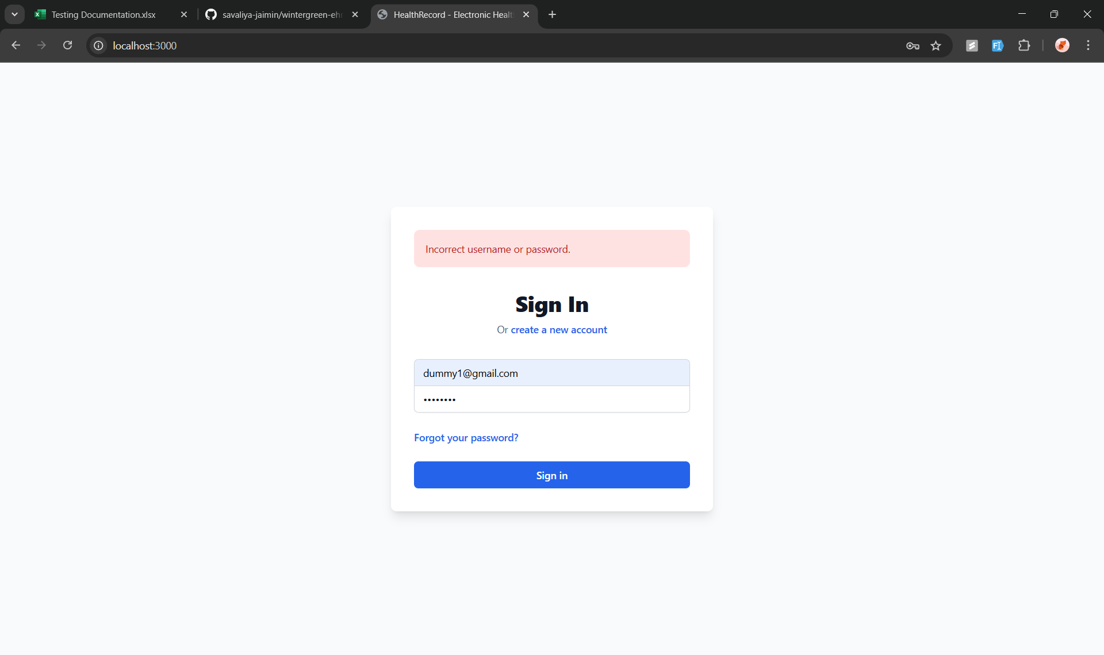 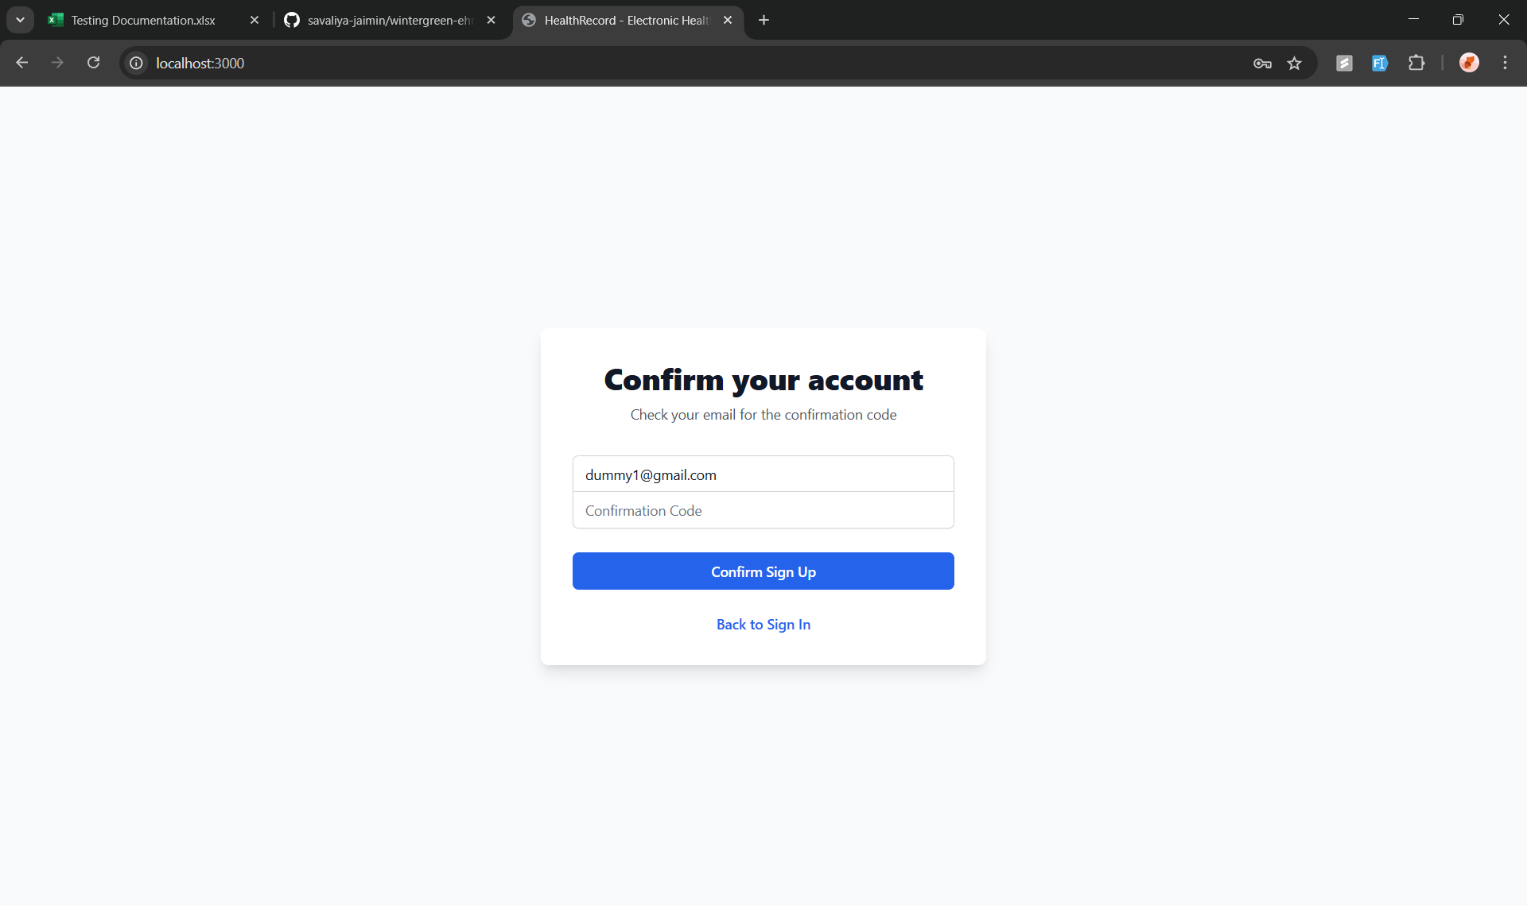 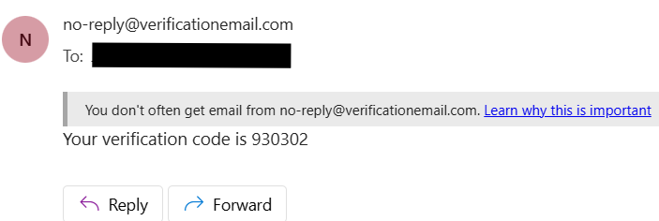 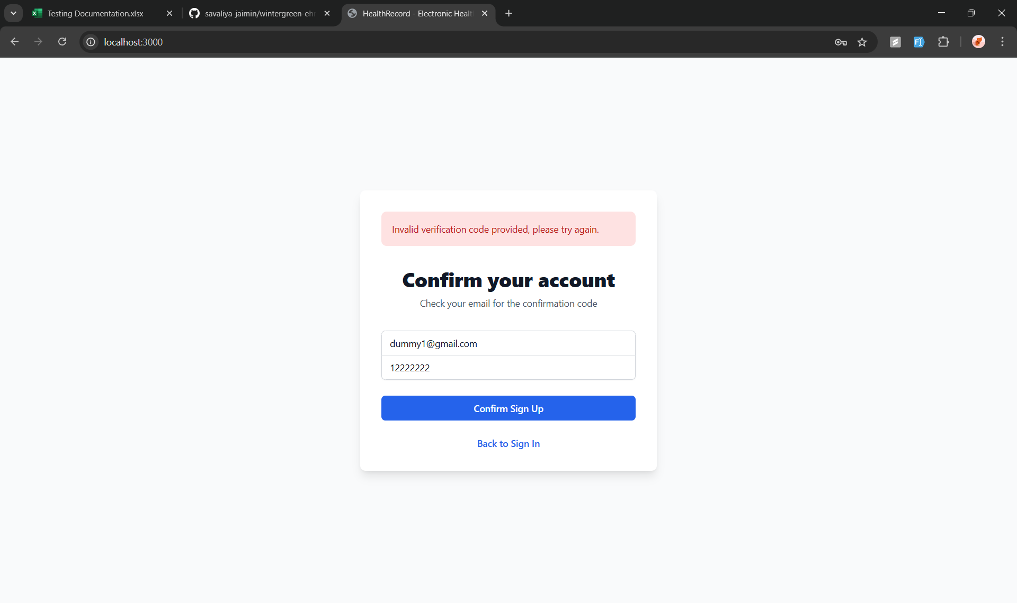 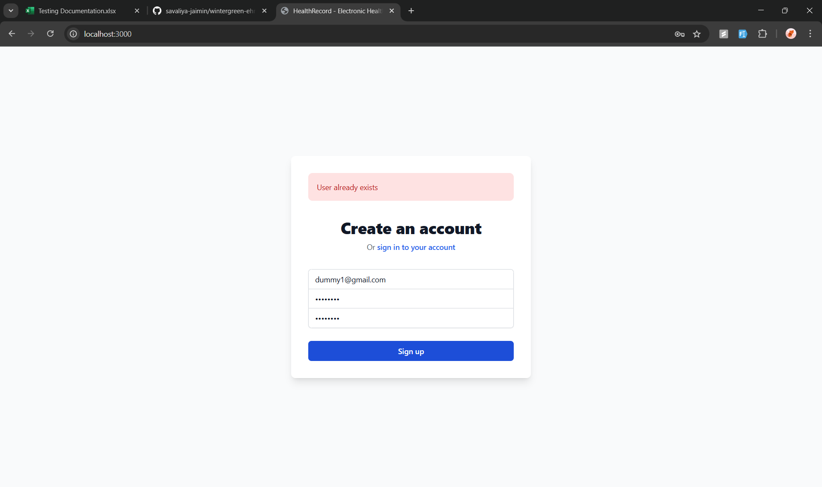  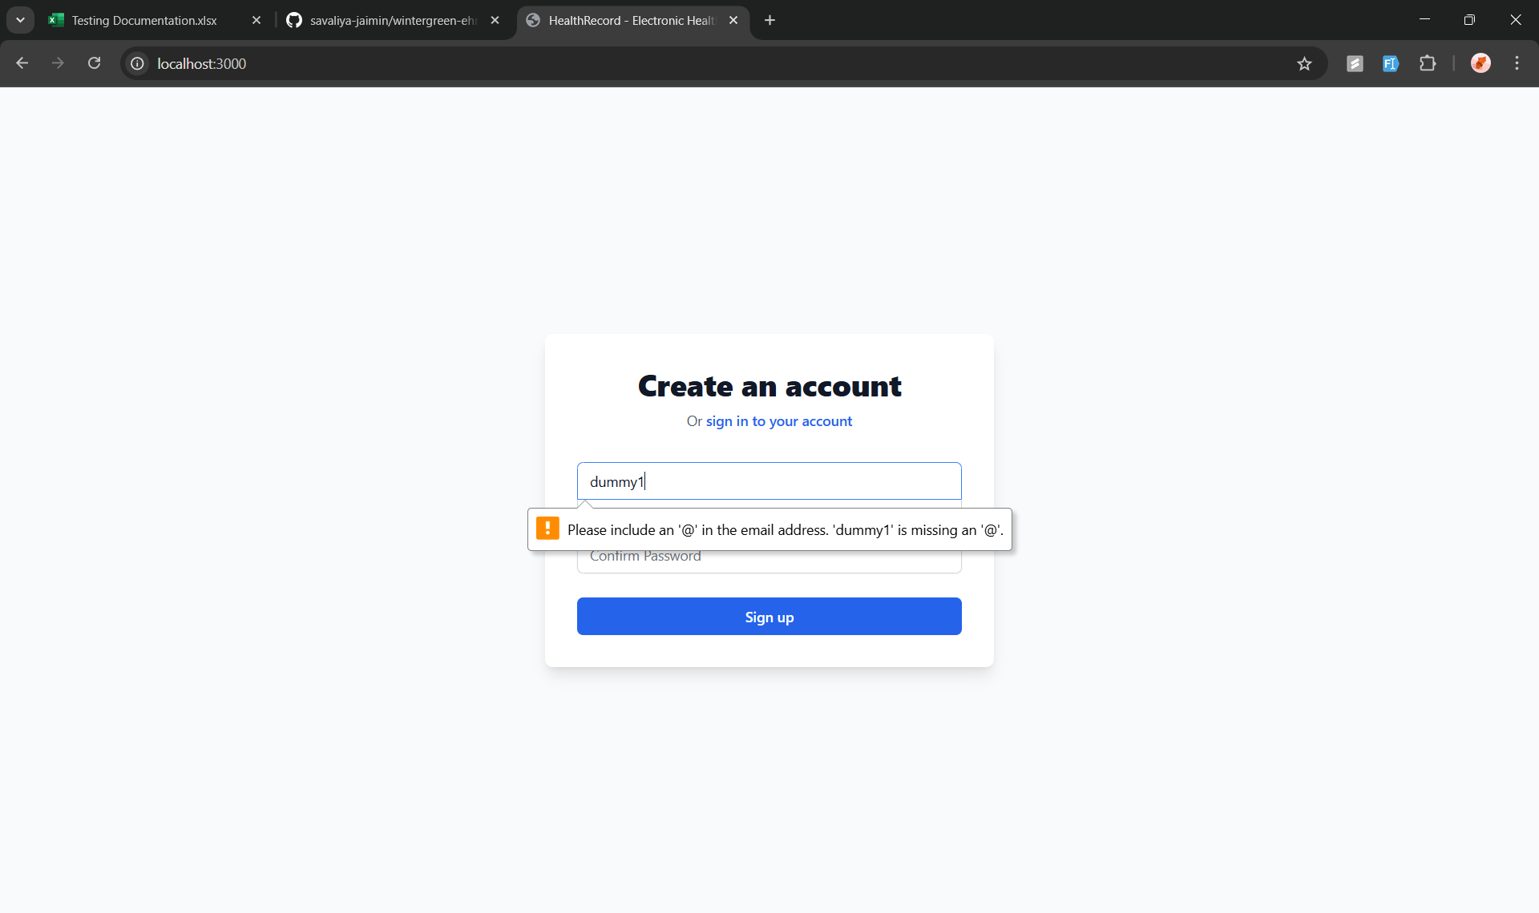 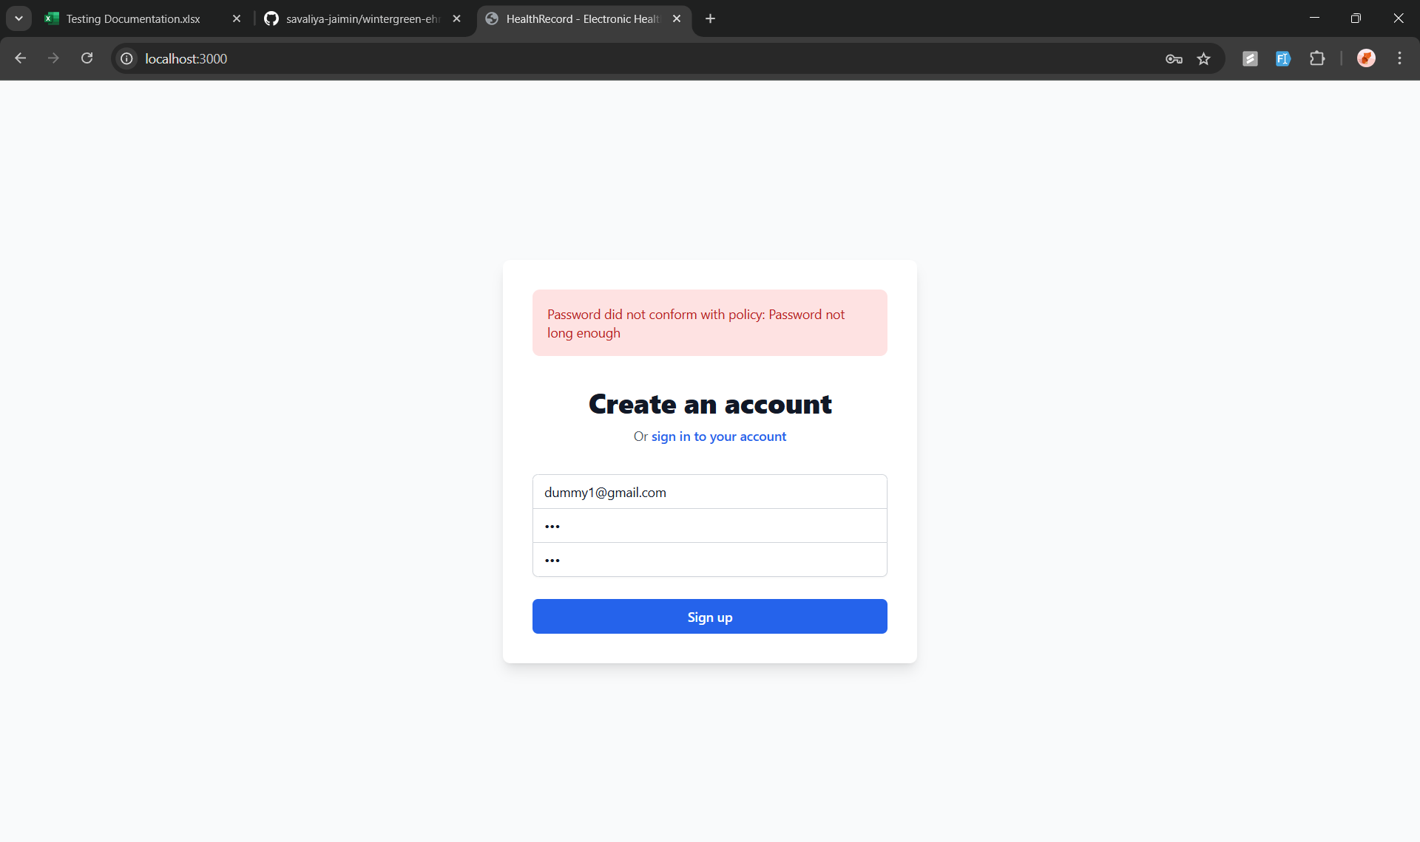 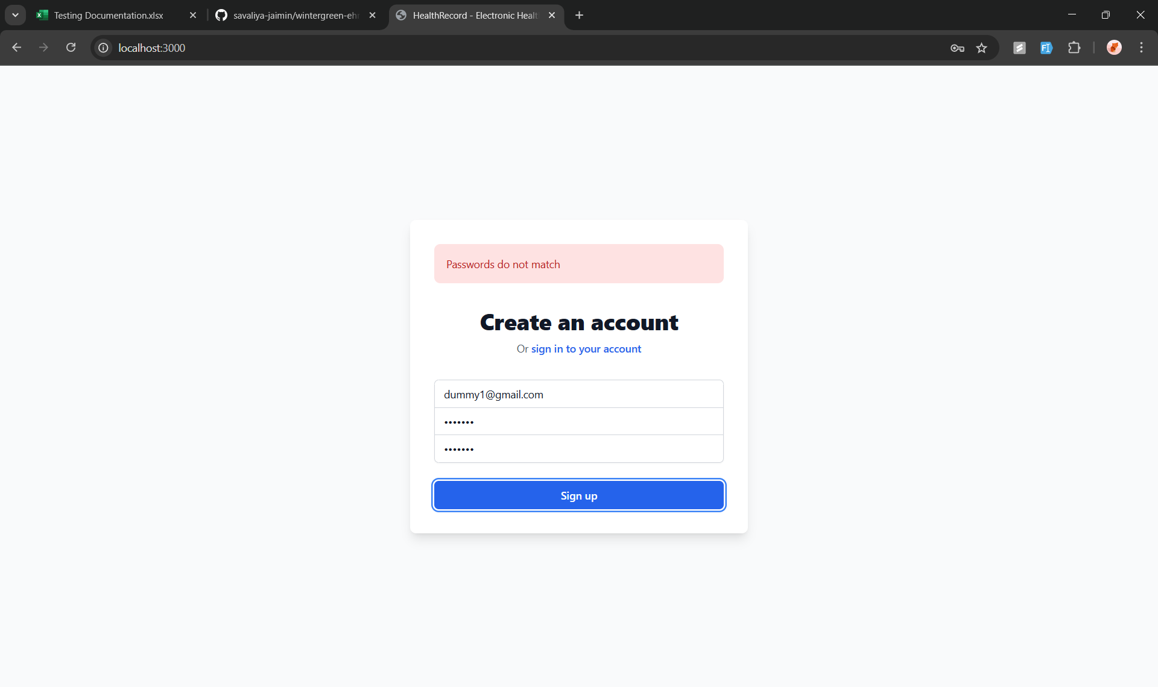   | PASS | All the Sign In options including creating a new account and the verification works as intended

Test2
Front End Testing
Test Case ID: | 2
Test Case: | Drop down menu functionality

Criteria | ScreenShot | Results | Notes
Drop Down menu's Work as Intended | 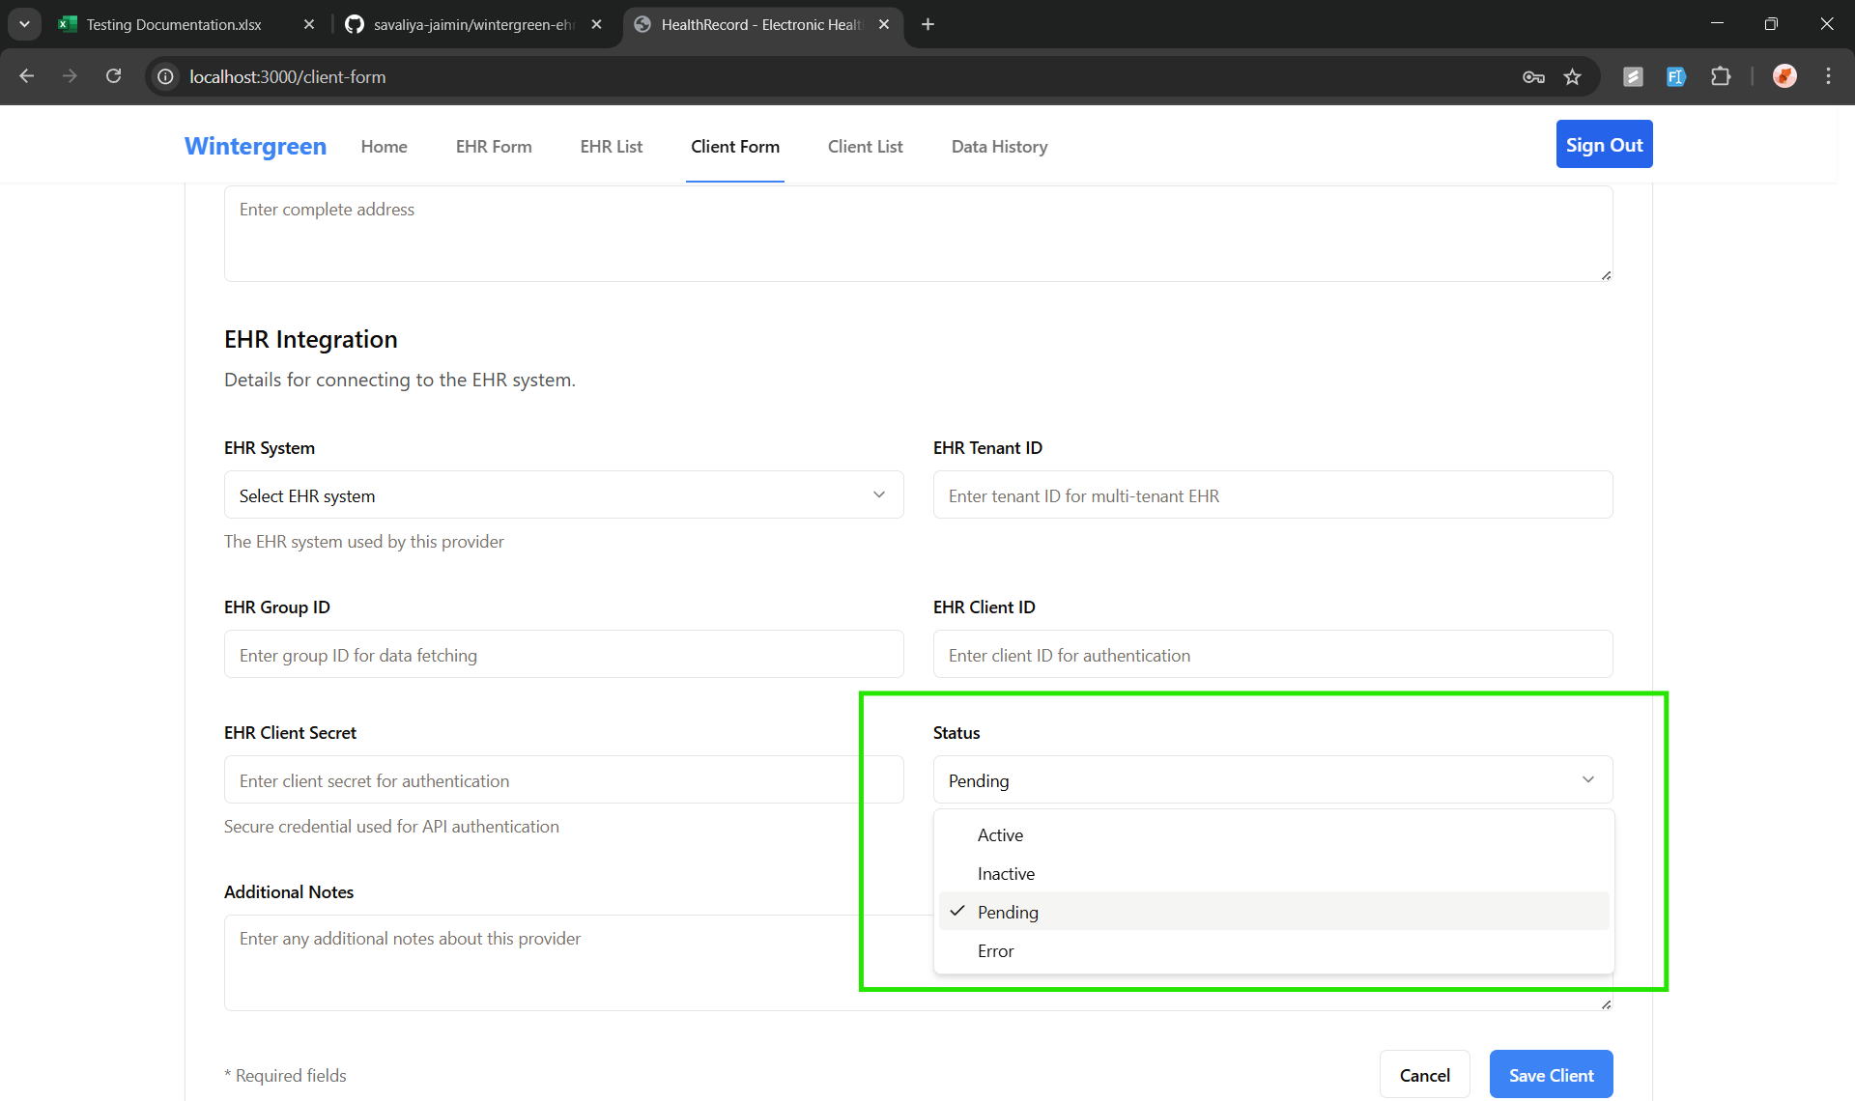 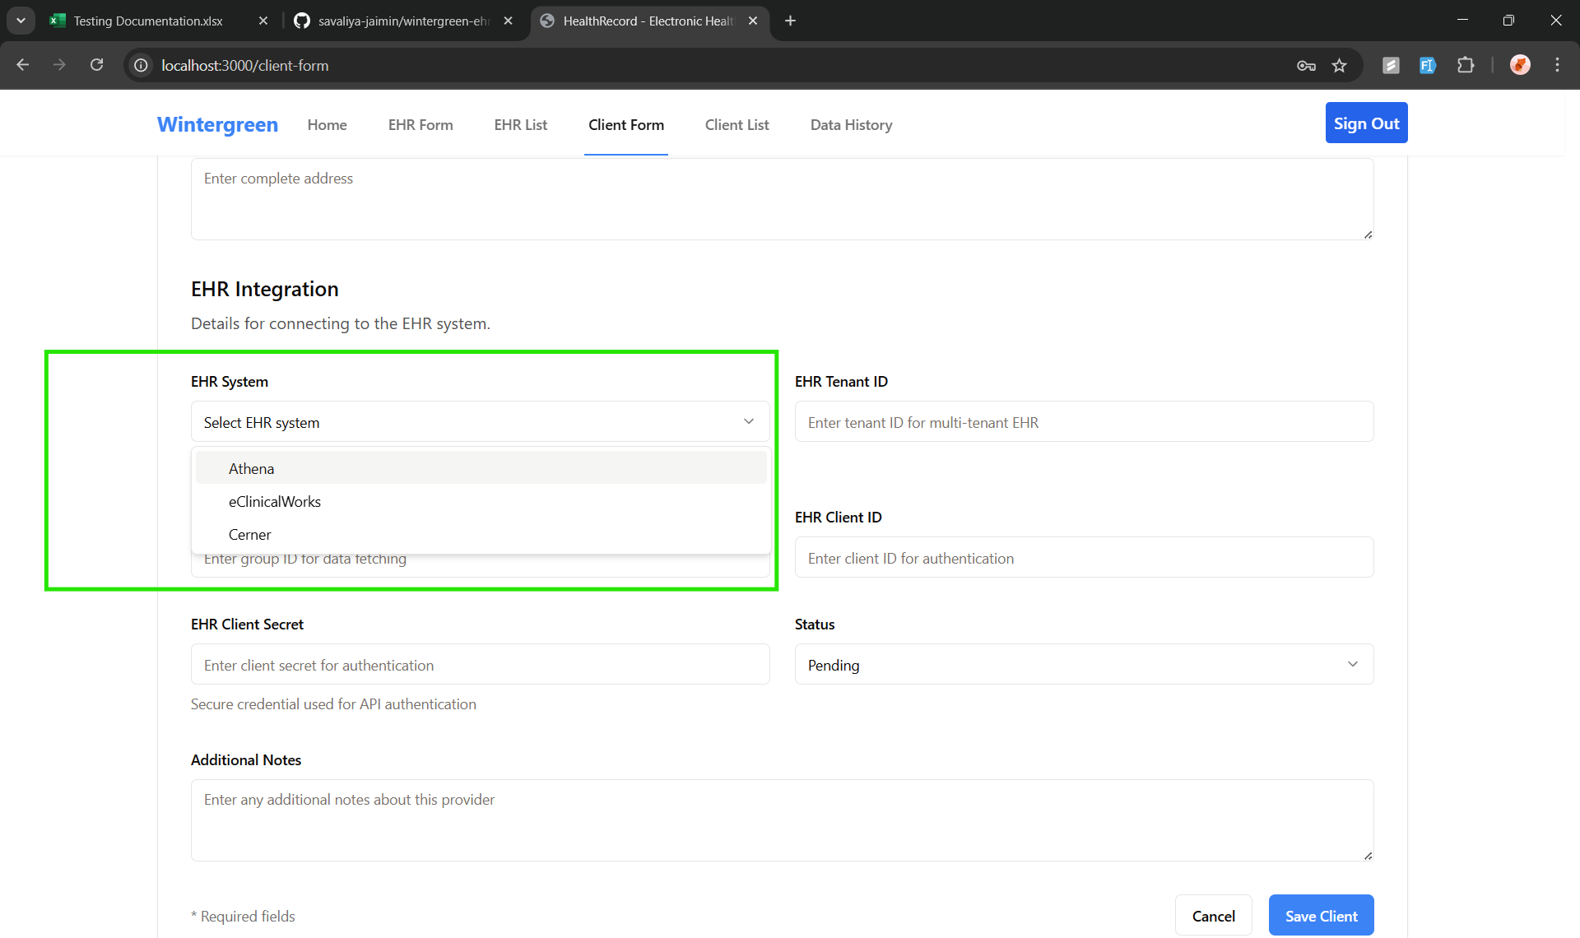 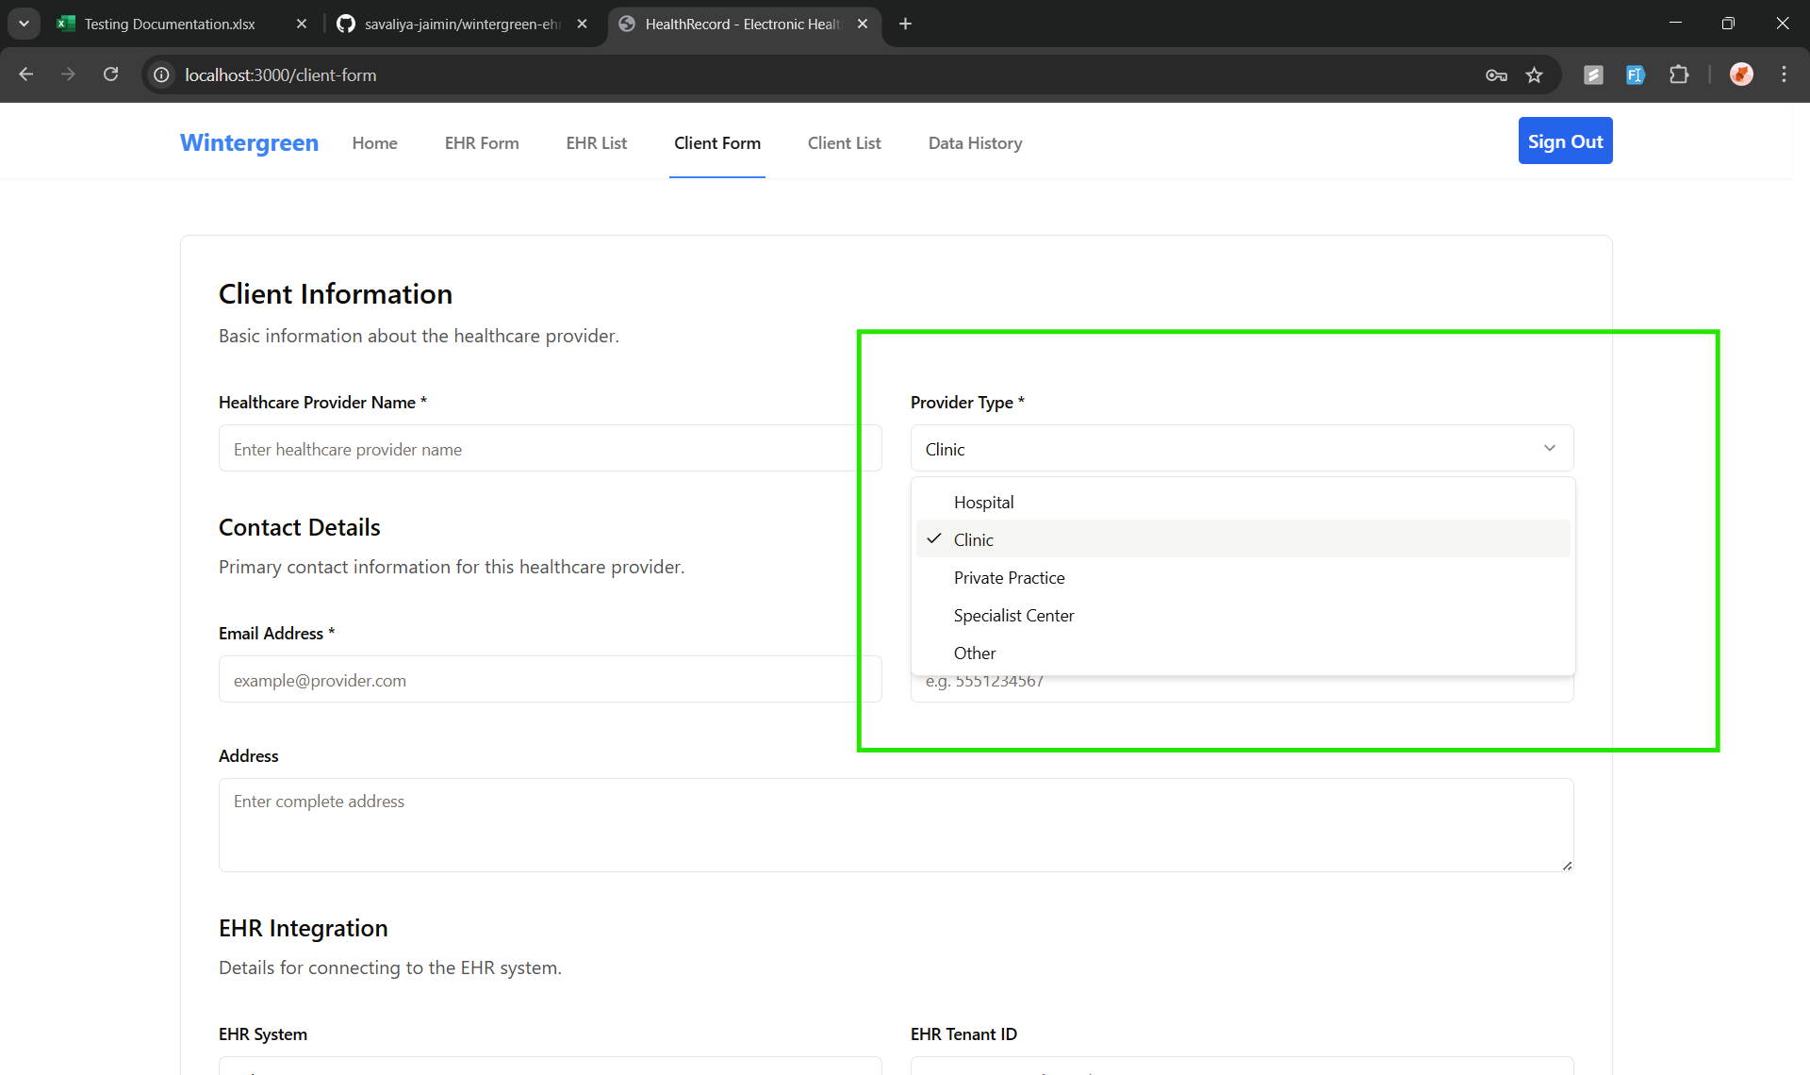 | PASS | All the drop down menu's populate the right data and works as it should

Test3
Front End Testing
Test Case ID: | 3
Test Case | Success Pop-Up Validation

Criteria | ScreenShot | Results | Notes
Success Pop-up works as intended | 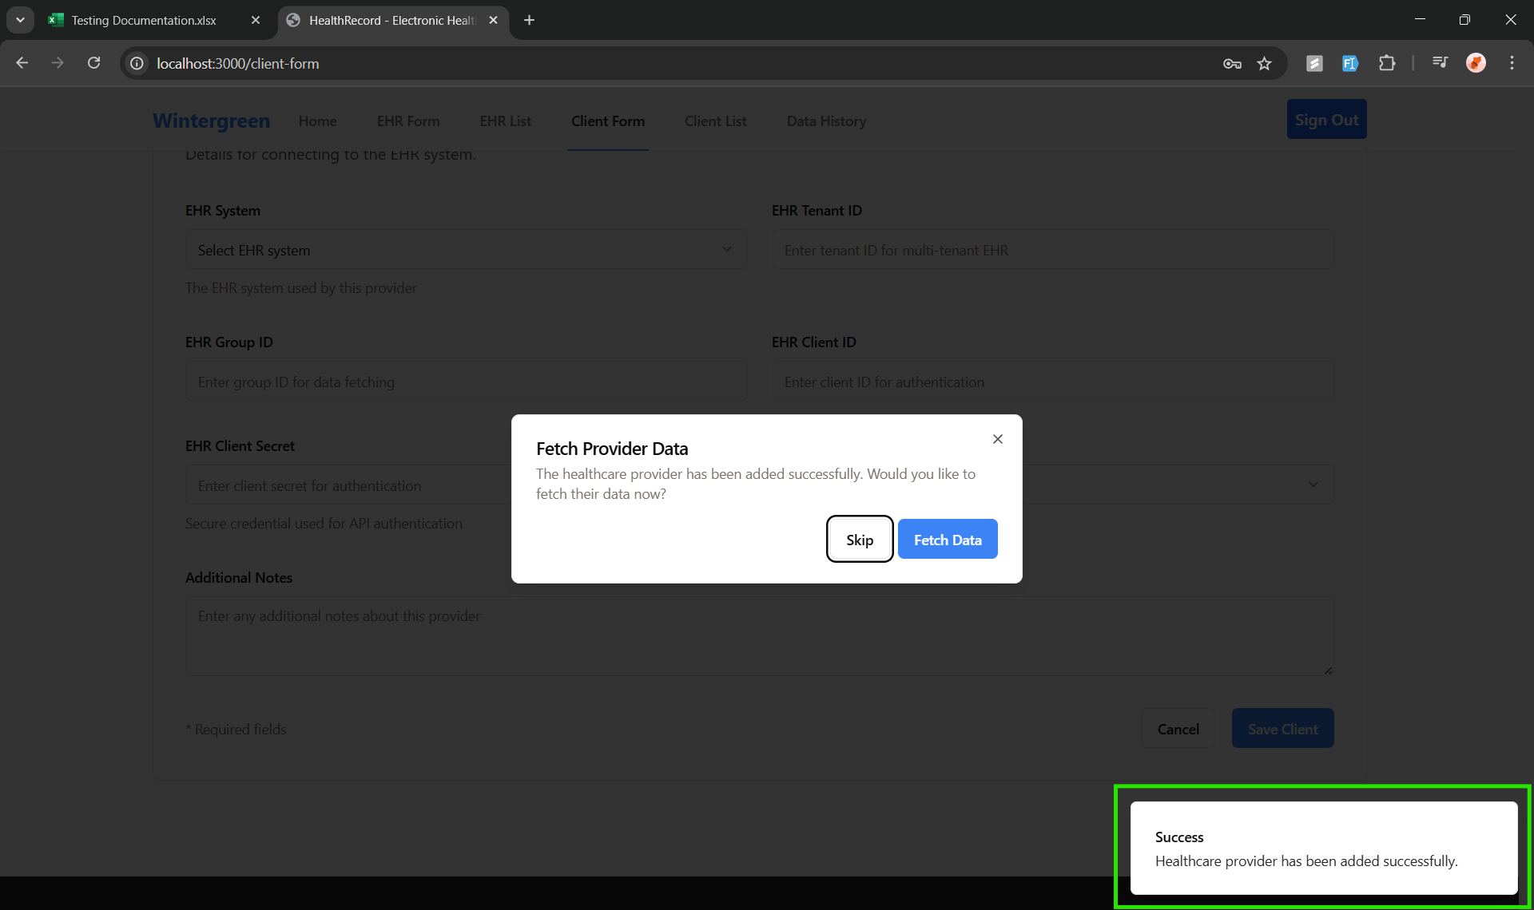 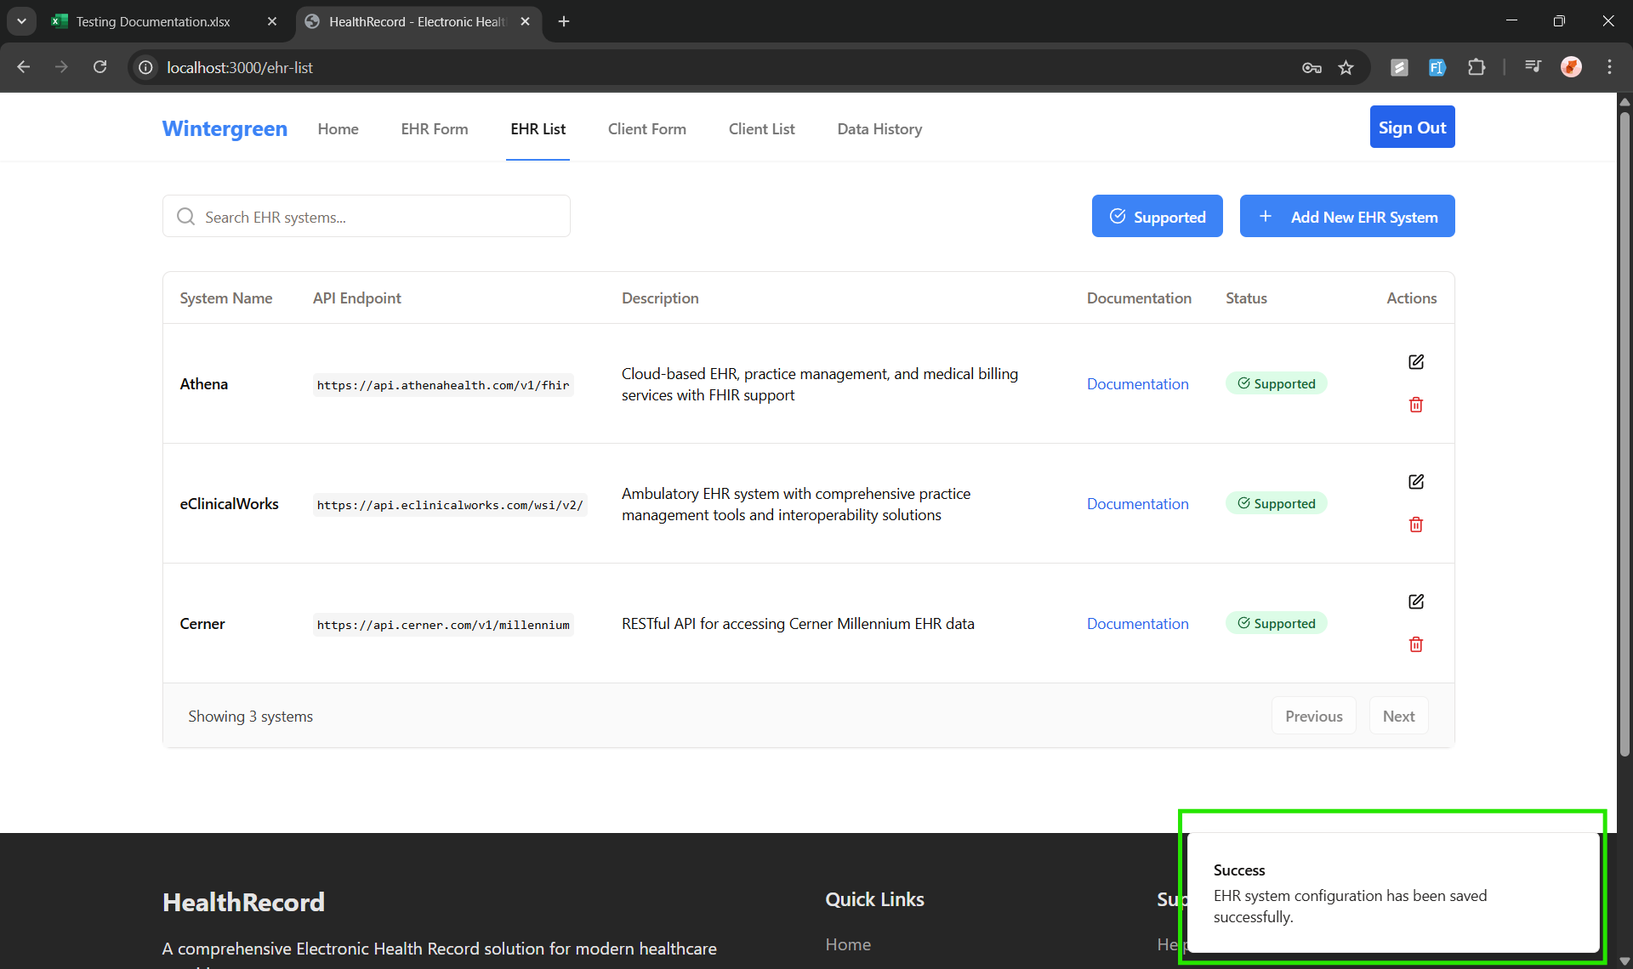 | Pass | Both the success pop-ups work

test4
Front End Testing
Test Case ID: | 4
Test Case | Search Functionality on Data History List

Criteria | ScreenShot | Results | Notes
Search Functionality on Data History List works as intended | 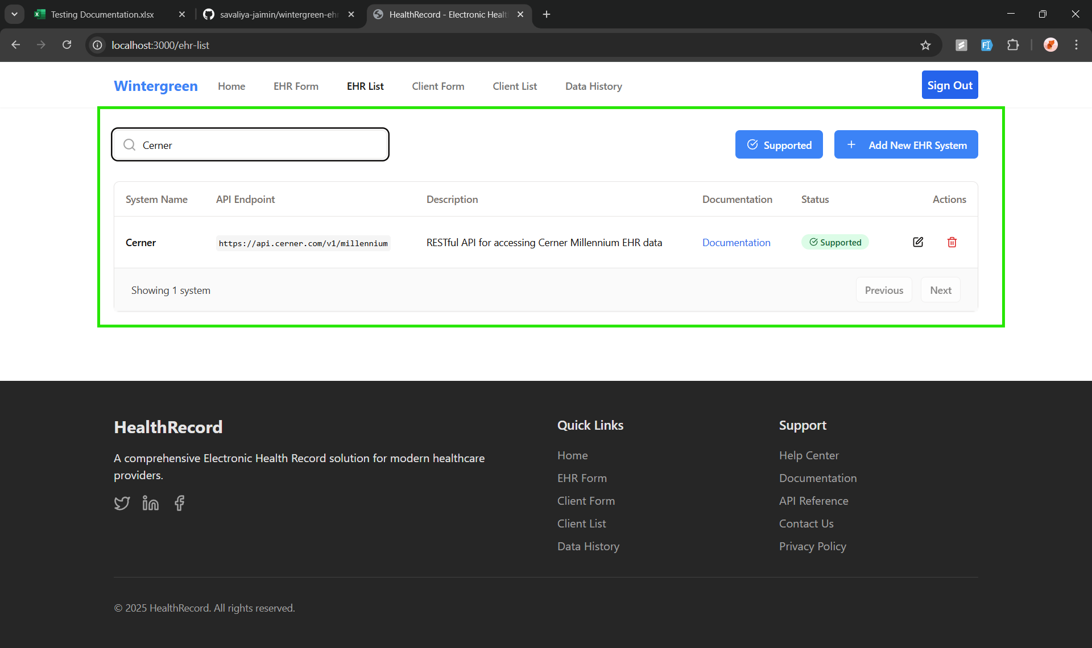 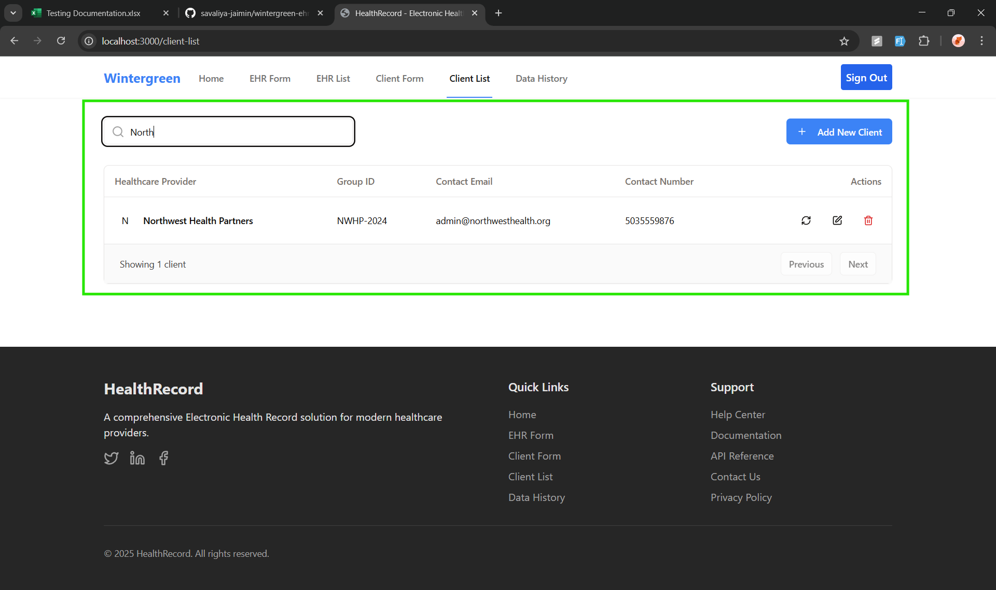 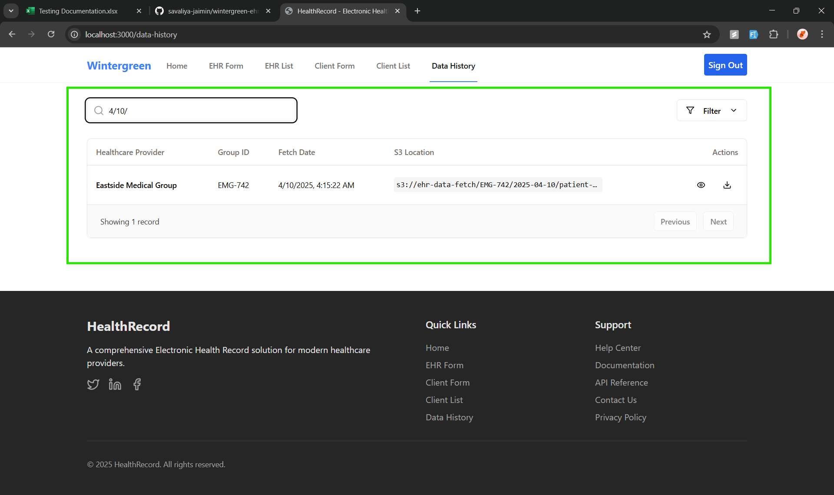 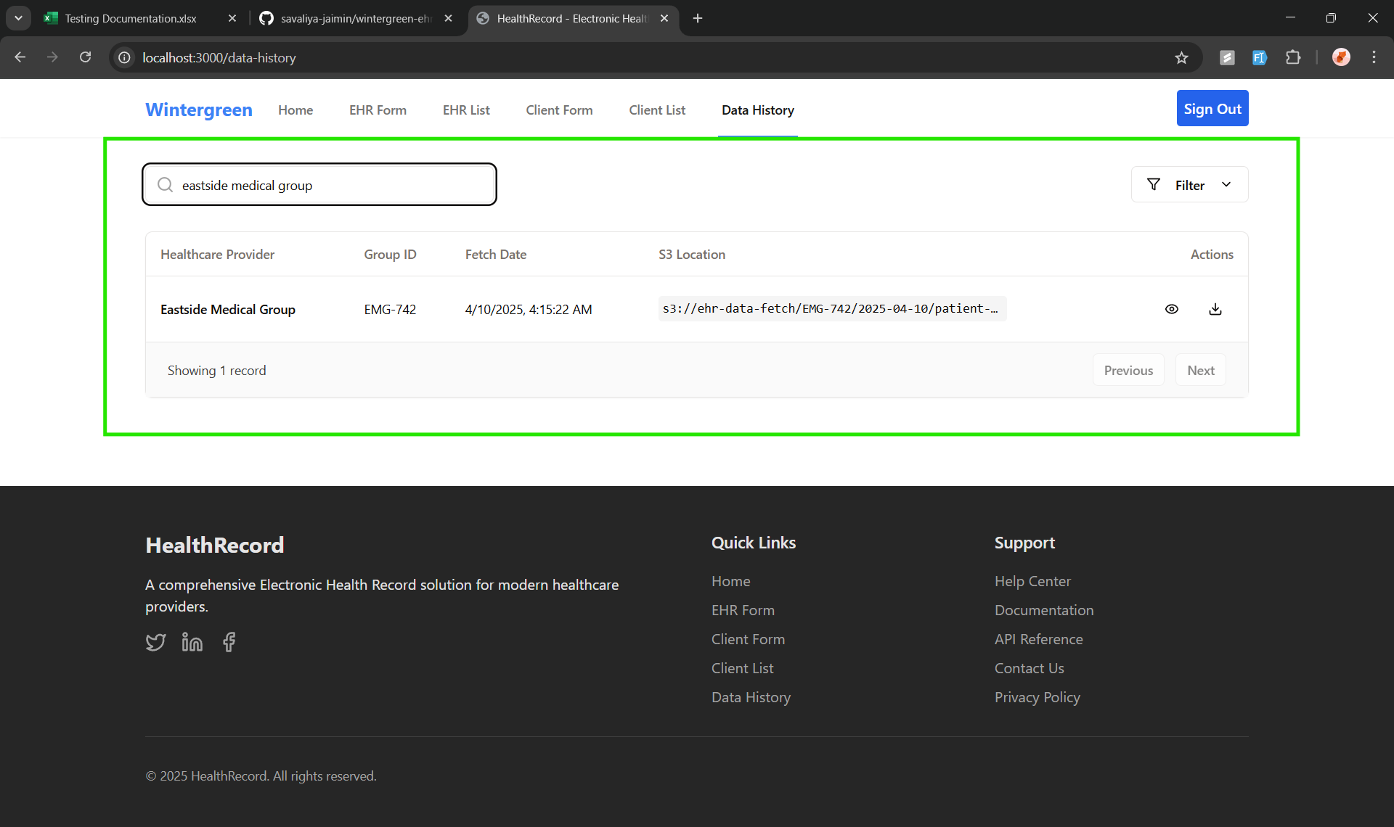 | Pass | The search functions all work and display the correct data when searched

Test5
Front End Testing
Test Case ID: | 5
Test Case | Filtering on Data History List

Criteria | ScreenShot | Results | Notes
Filter Functionality works as intended | 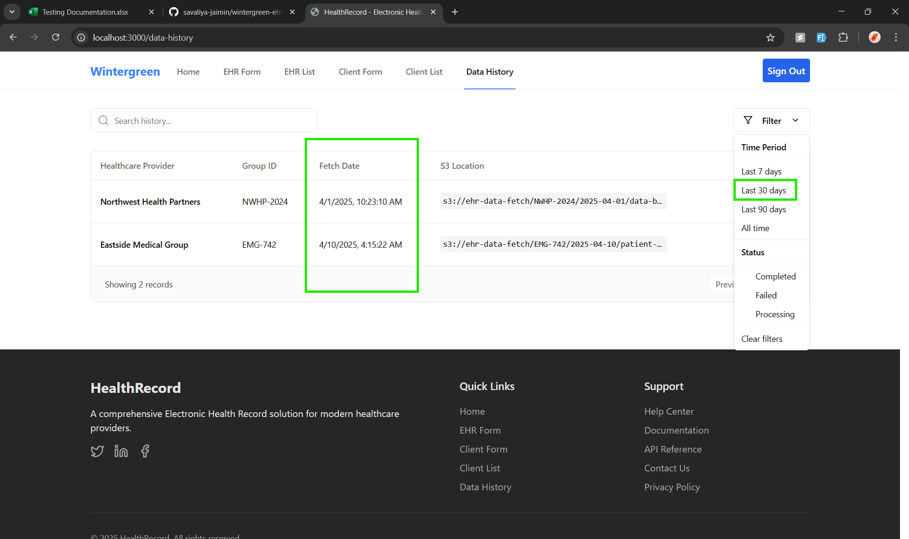 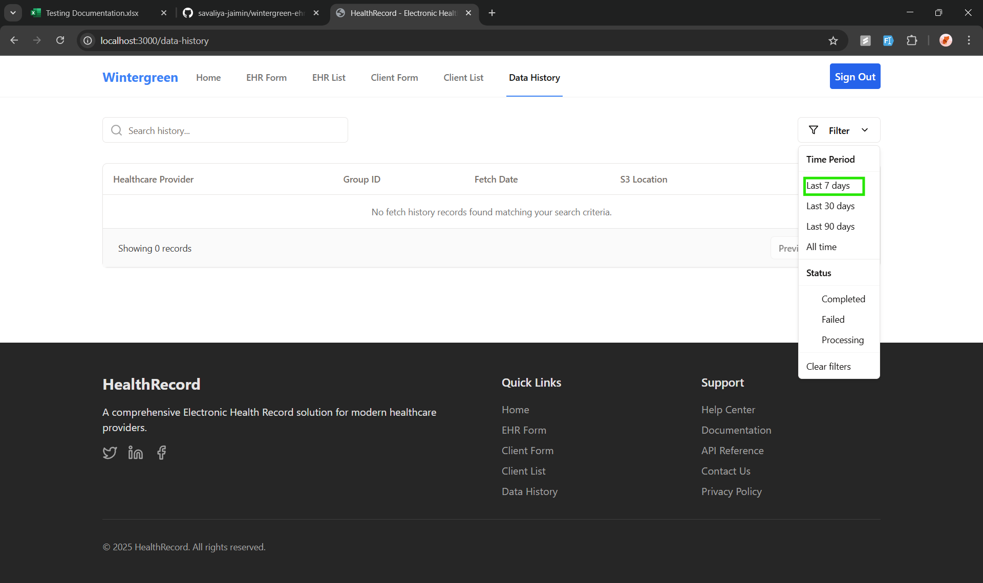 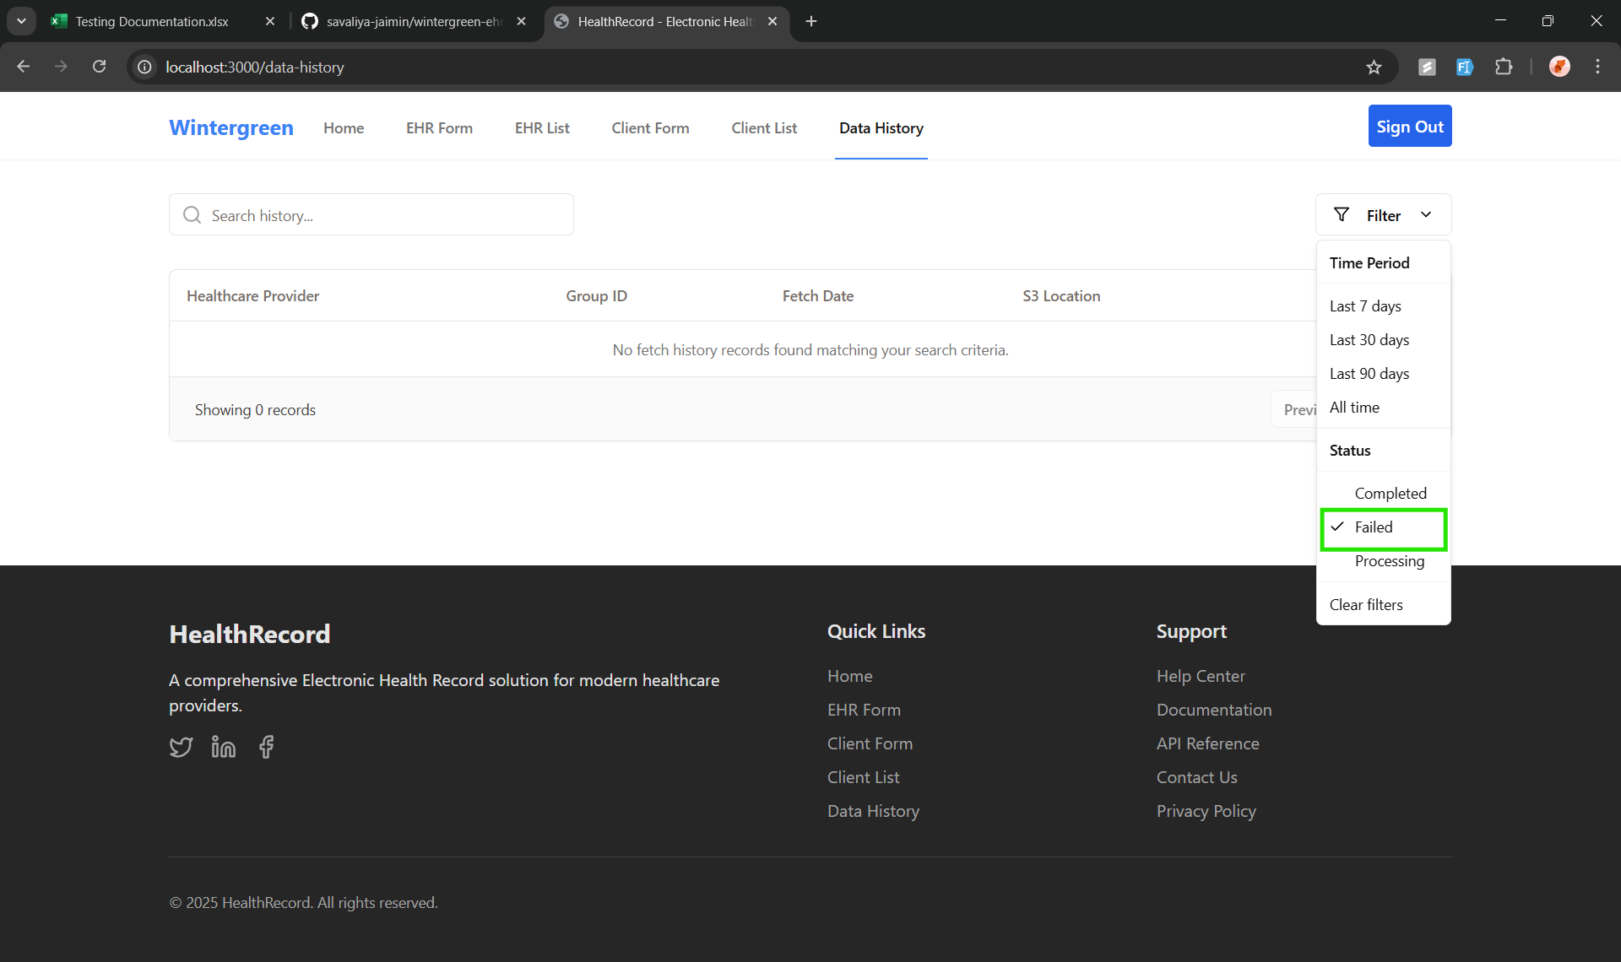 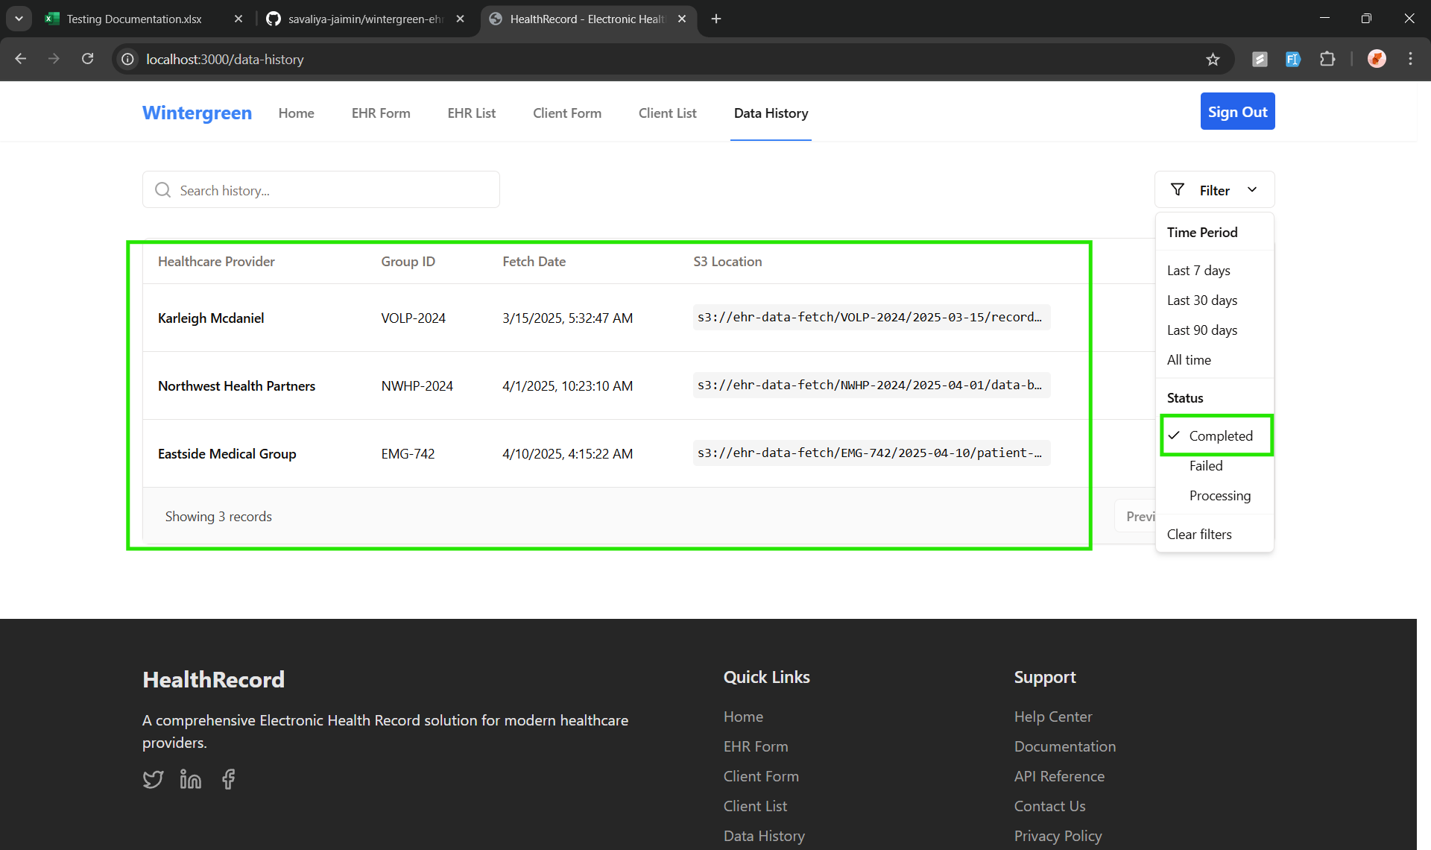 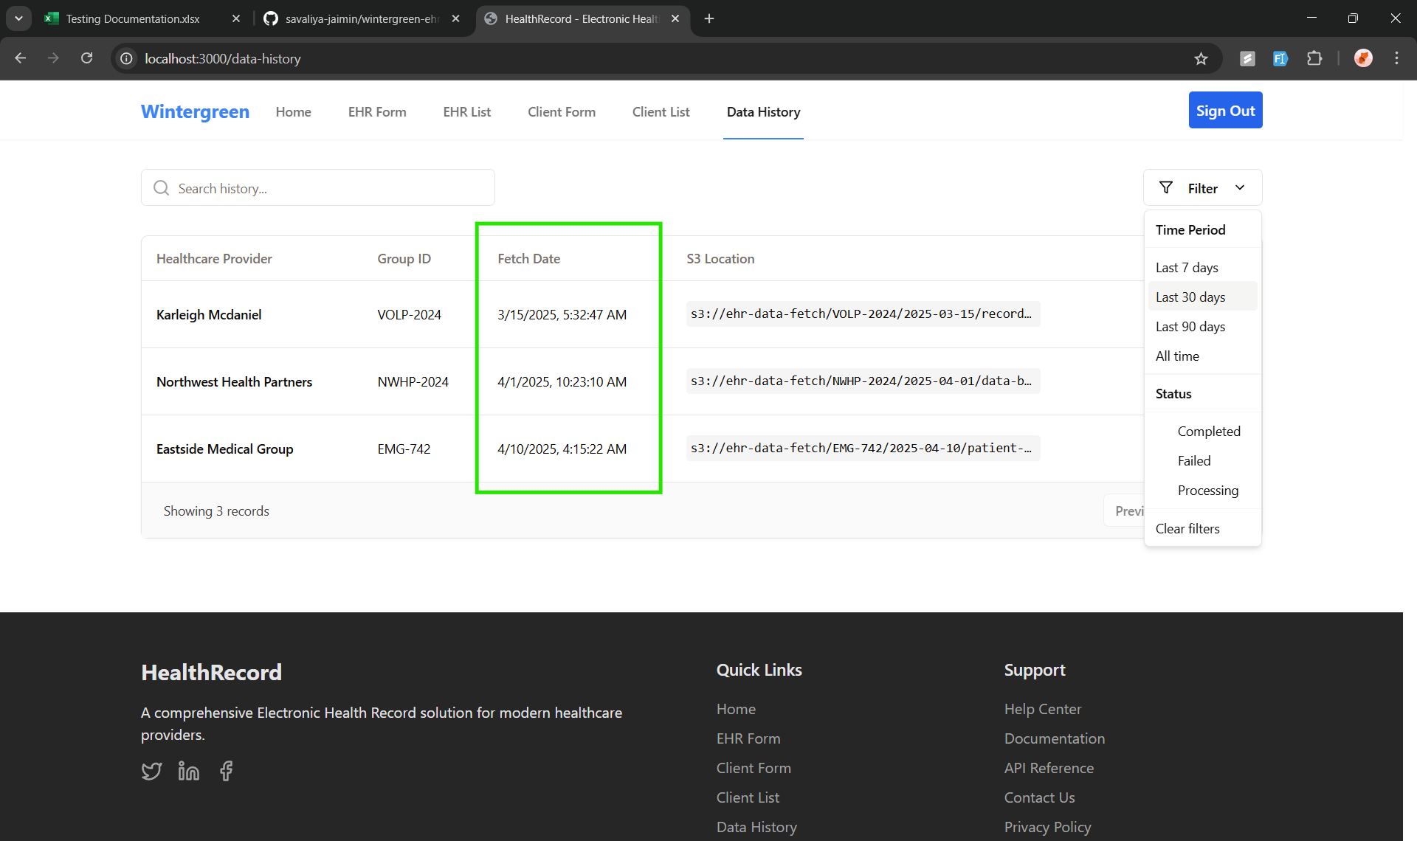 | PASS | The filter displays the correct data when different time periods are selected

Test6
Front End Testing
Test Case ID: | 6
Test Case | Input Validation for CRUD Forms

Criteria | ScreenShot | Results | Notes
Input Validation for CRUD forms work as intended | 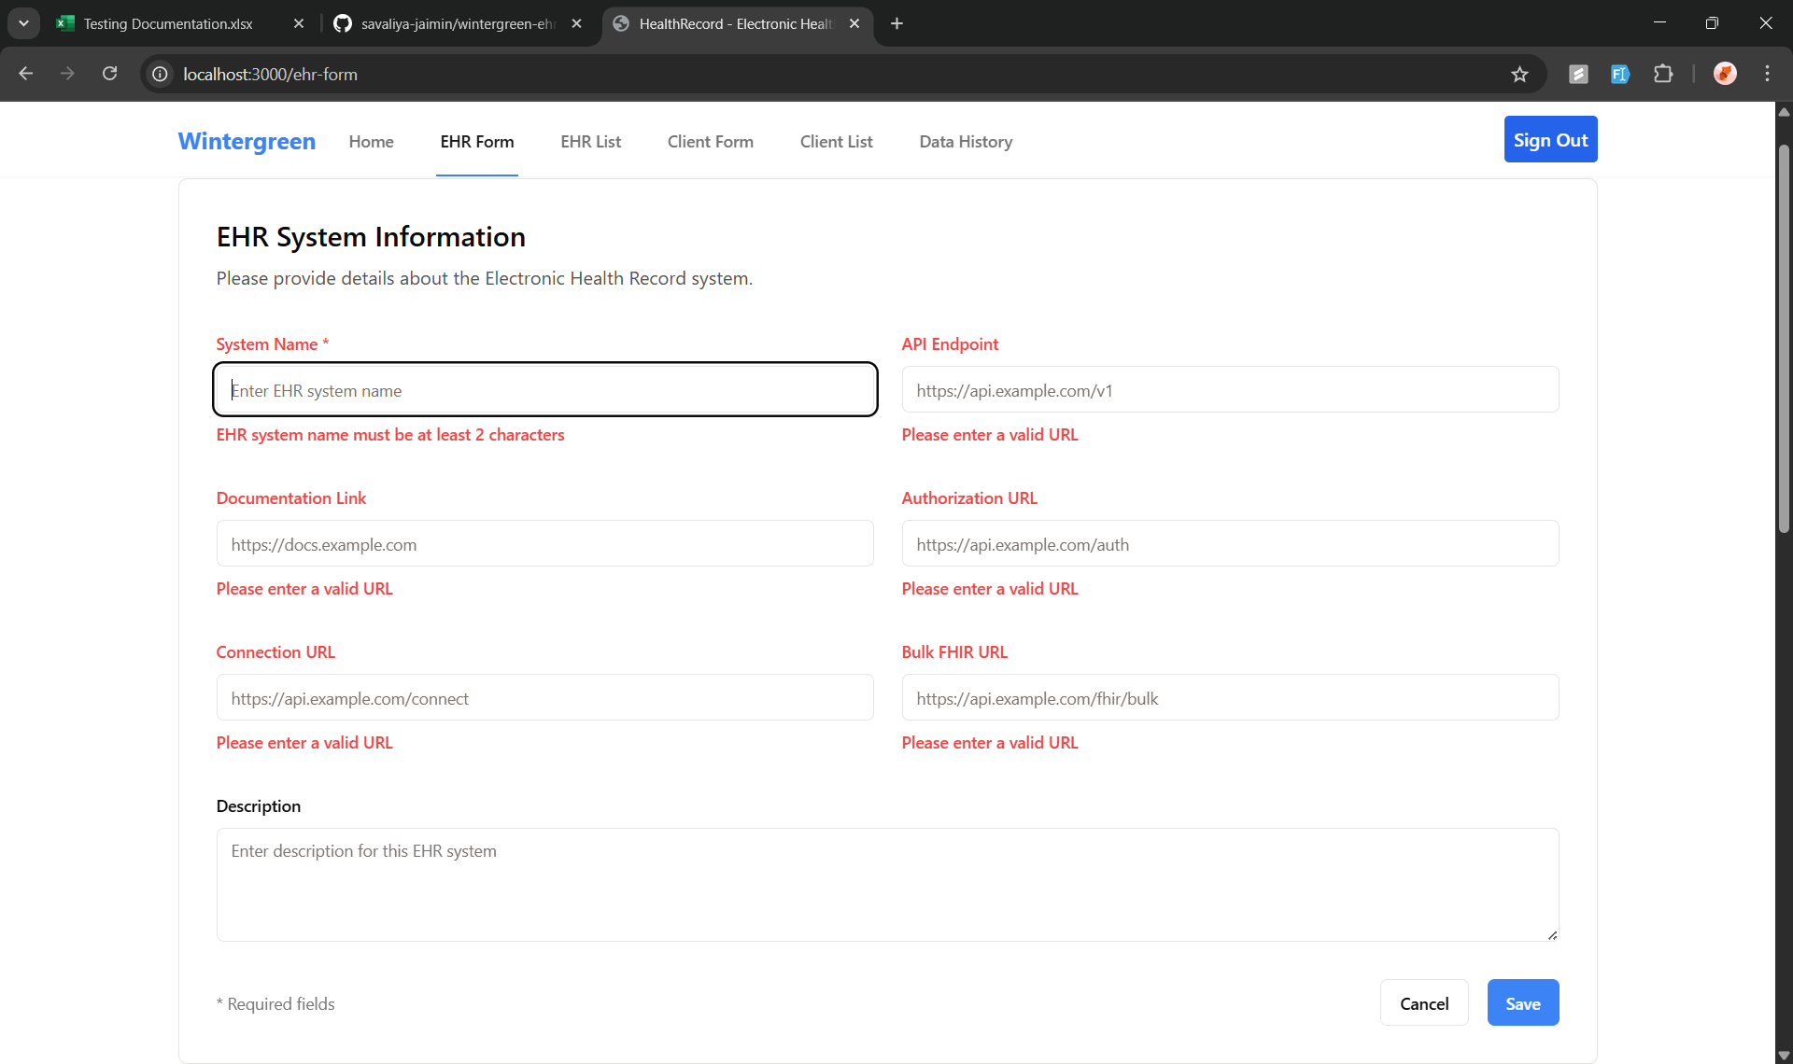 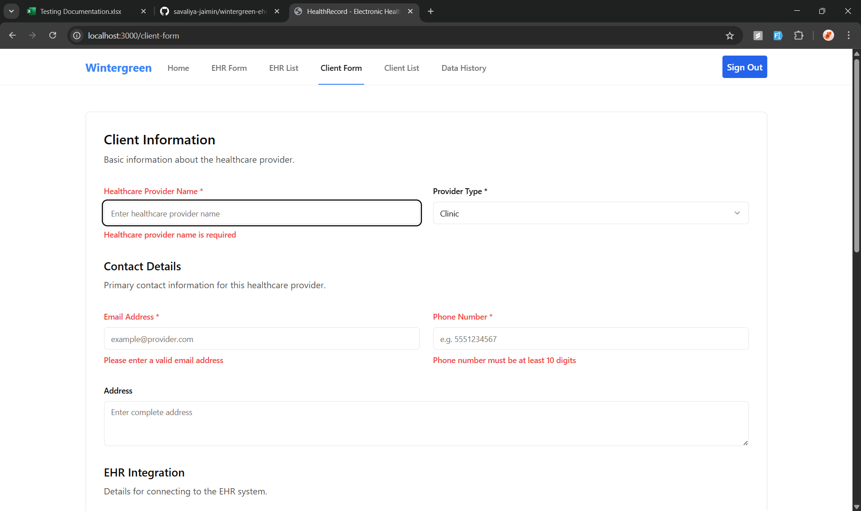 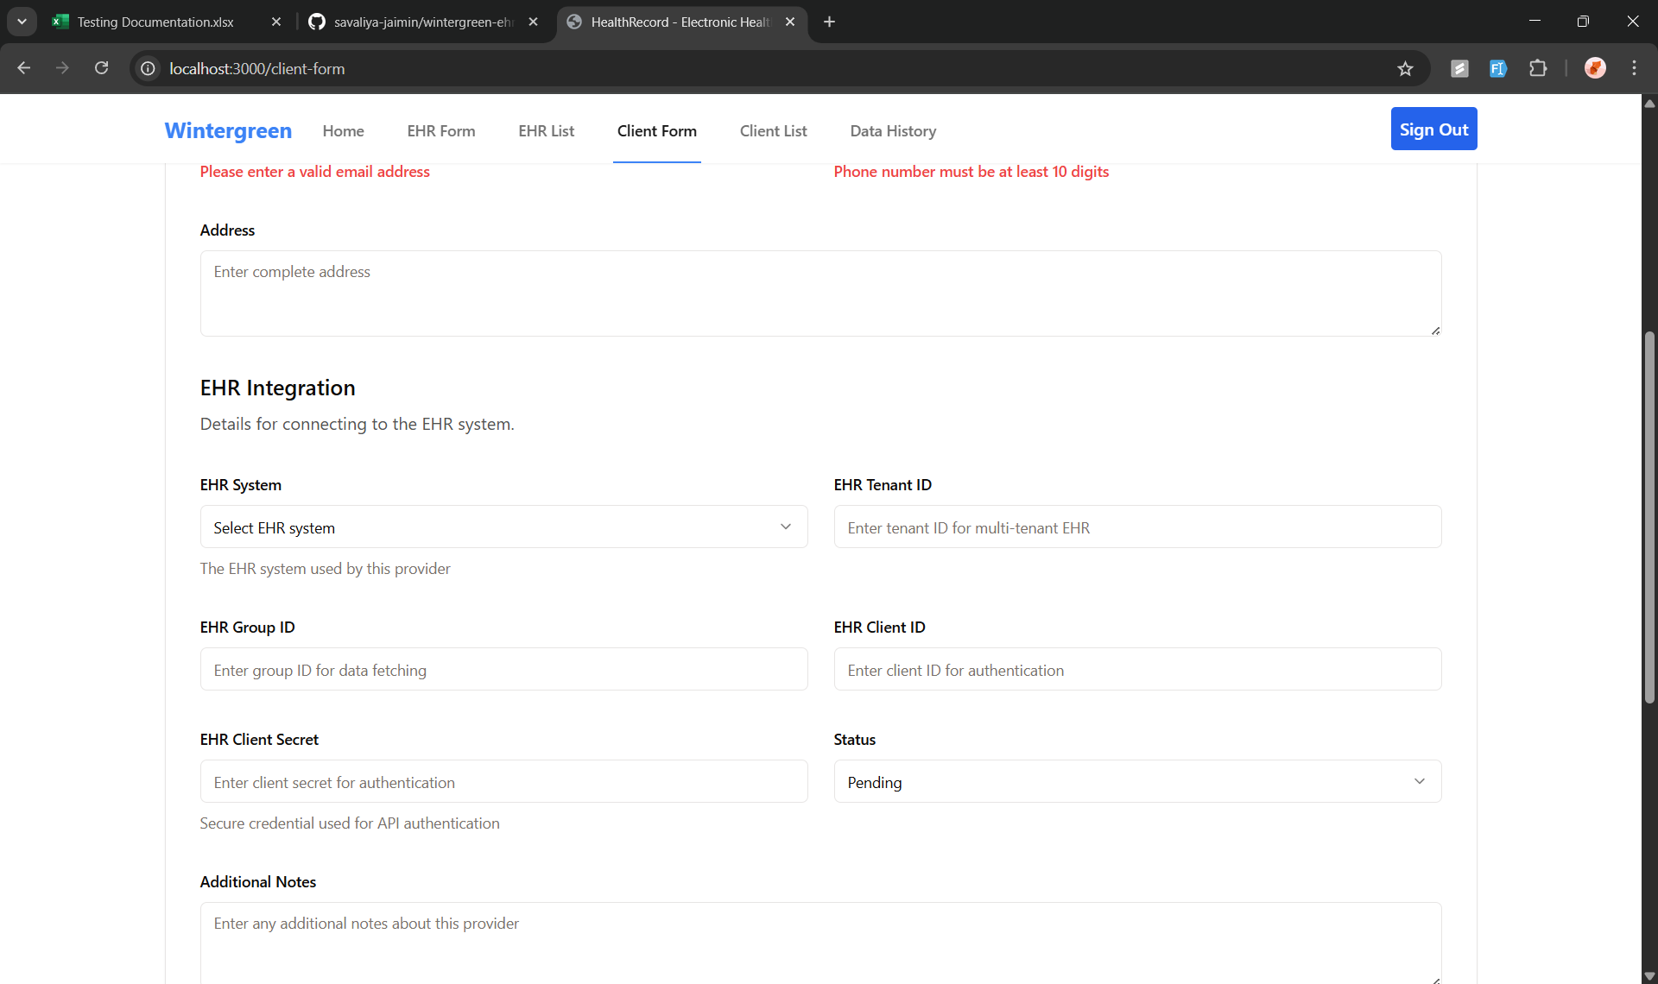 | PASS | The CRUD forms all take in data correctly and is stored properly

Test13
Back End Testing
Test Case ID: | 13
Test Case | Get all EHR systems

Criteria | ScreenShot | Results | Notes

Providing required fields as parameter | 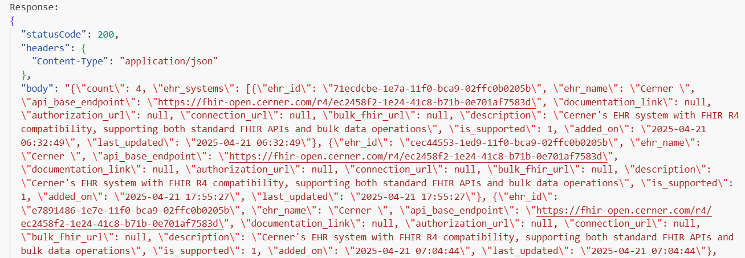 | Pass

Test15
Back End Testing
Test Case ID: | 15
Test Case | Get all Healthcare Providers data

Criteria | ScreenShot | Results | Notes

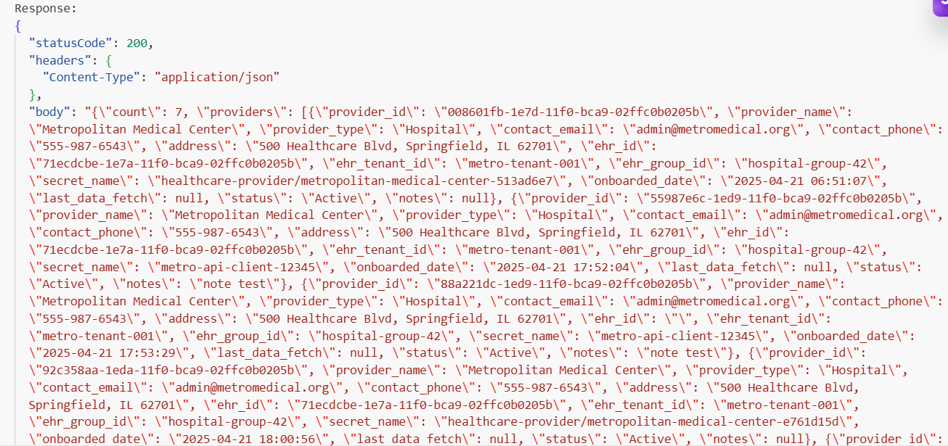
Providing required fields as parameter |  | Pass

